TU7.3
TU7.3

 | Morning shift, 1 | Afternoon shift, 2 | Summary statistics
 | 72 | 81 | n1 = | 9 | =COUNT(B4:B12)
 | 68 | 65 | sample mean 1 = | 76.111111111 | =AVERAGE(B4:B12)
 | 91 | 88 | sample standard deviation 1 = | 6.9362173489 | =STDEV.S(B4:B12)
 | 69 | 76 | n2 = | 8 | =COUNT(C4:C11)
 | 78 | 75 | sample mean 2 = | 77 | =AVERAGE(C4:C11)
 | 73 | 81 | sample standard deviation 2 = | 6.6761836832 | =STDEV.S(C4:C11)
 | 77 | 74
 | 80 | 76 | We can see little difference between the 2 sample means
 | 77 |  | This suggests that if we conduct an hypothesis test here that it would not prove significant: H0: m1 = m2, H1: m1 ≠ m2

 |  |  | Data > Data Analysis > t-Test: Two-Sample Assuming Unequal Variances

 |  |  | t-Test: Two-Sample Assuming Unequal Variances
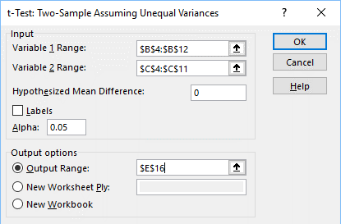
 |  |  |  | Variable 1 | Variable 2
 |  |  | Mean | 76.111111111 | 77
 |  |  | Variance | 48.111111111 | 44.571428571
 |  |  | Observations | 9 | 8
 |  |  | Hypothesized Mean Difference | 0
 |  |  | df | 15
 |  |  | t Stat | -0.26902564573
 |  |  | P(T<=t) one-tail | 0.39578755772
 |  |  | t Critical one-tail | 1.7530503557
 |  |  | P(T<=t) two-tail | 0.79157511544
 |  |  | t Critical two-tail | 2.1314495456

 |  |  | From the results, we observe that the two-tail p-value = 0.79
 |  |  | Given two-tail p-value = 0.79 > 0.01, accept the null hypothesis

 |  |  | Note: we have assumed the population data is normally distributed.

 |  |  | No evidence to suggest that the morning and afternoon shifts are not performing to the same level of production.

